16.07.2026
Kép | Modell | Név | Szorti | Stock | NK ár | Akciós NK ár | SRP
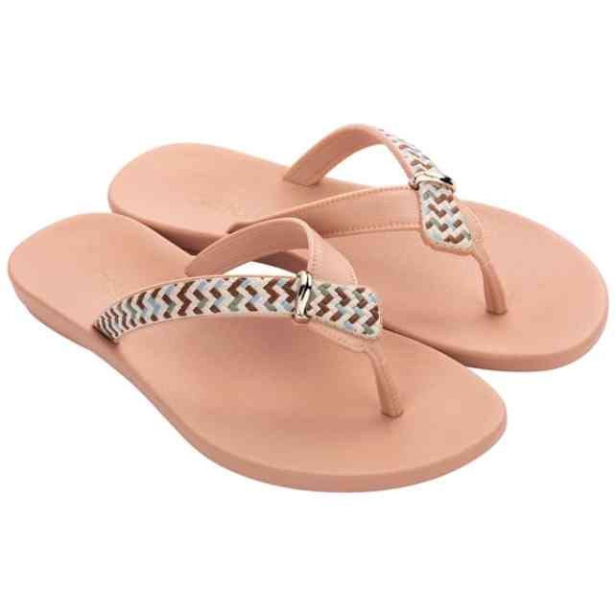 | 18349-90078 | GRENDHA UBA TRESSE R | 1-2-3-3-2-1 | 60 | 3,329 Ft | 2,830 Ft | 7,990 Ft
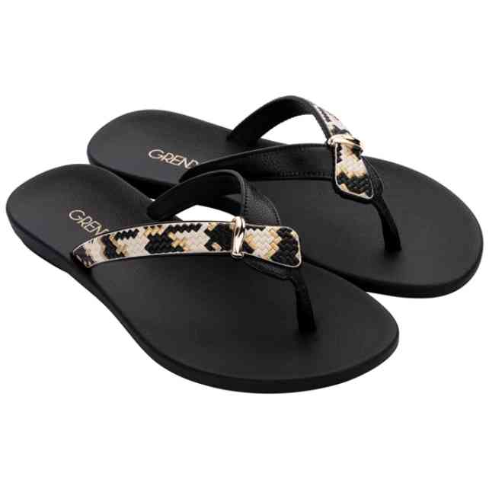 | 18349-90081 | GRENDHA UBA TRESSE R | 1-2-3-3-2-1 | 36 | 3,746 Ft | 3,184 Ft | 8,990 Ft
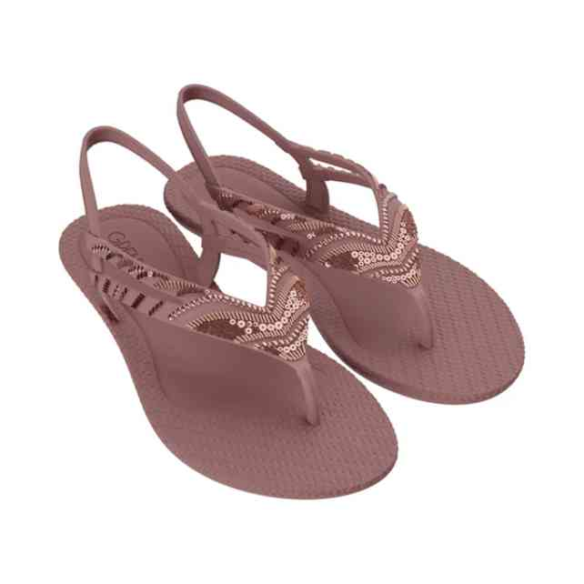 | 18978-BA166 | GRENDHA TODO DIA UNI | 2-3-3-2-2 | 12 | 3,746 Ft | 3,184 Ft | 8,990 Ft
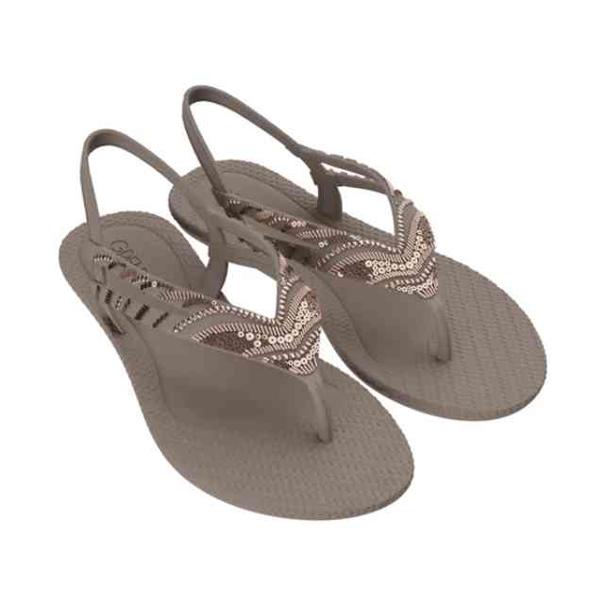 | 18978-BA168 | GRENDHA TODO DIA UNI | 2-3-3-2-2 | 12 | 3,746 Ft | 3,184 Ft | 8,990 Ft
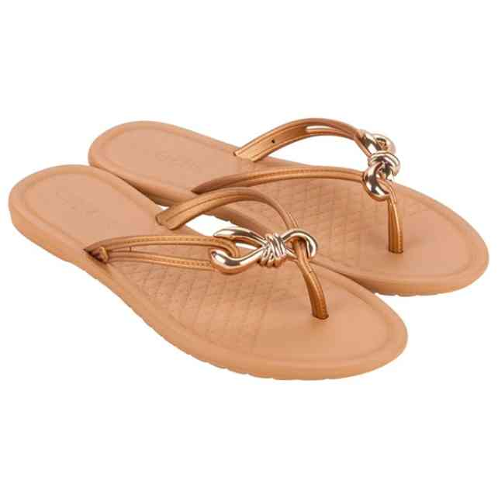 | 19000-BB312A | GRENDHA IDEAL THONG | 1-2-3-3-2-1 | 12 | 2,079 Ft | 1,767 Ft | 4,990 Ft
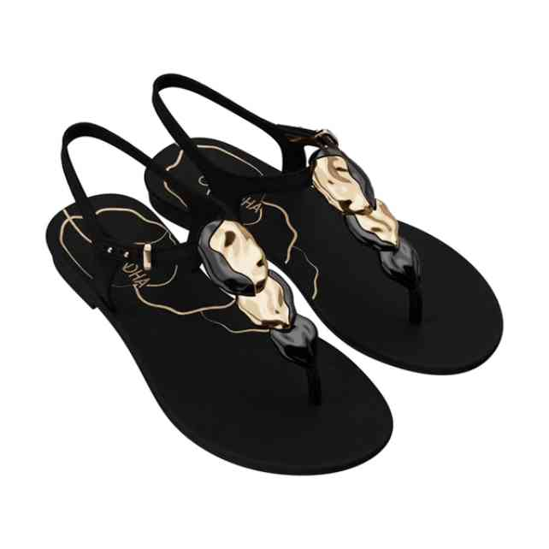 | 19035-BD017 | GRENDHA REFINO SAND | 2-3-3-3-1 | 12 | 4,579 Ft | 3,892 Ft | 10,990 Ft
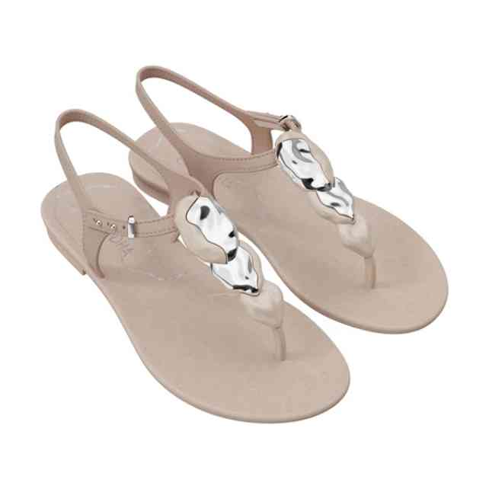 | 19035-BD019 | GRENDHA REFINO SAND | 2-3-3-3-1 | 12 | 4,579 Ft | 3,892 Ft | 10,990 Ft
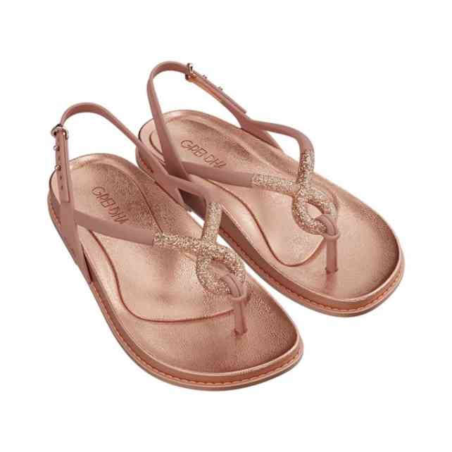 | 19036-BD852 | GRENDHA MUSA SAND AD | 1-2-3-3-2-1 | 24 | 5,413 Ft | 4,601 Ft | 12,990 Ft
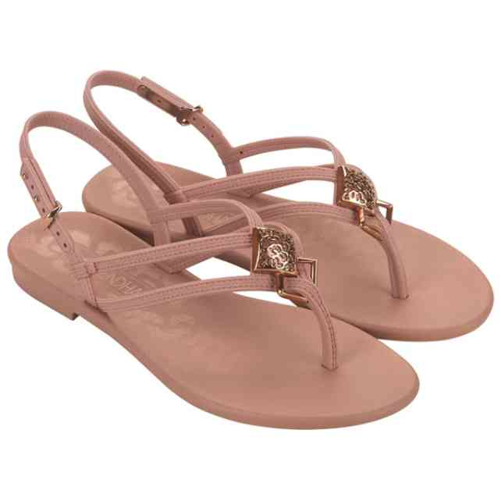 | 19174-BM354 | GRENDHA LIBERDADE SA | 1-2-3-3-2-1 | 36 | 3,746 Ft | 3,184 Ft | 8,990 Ft
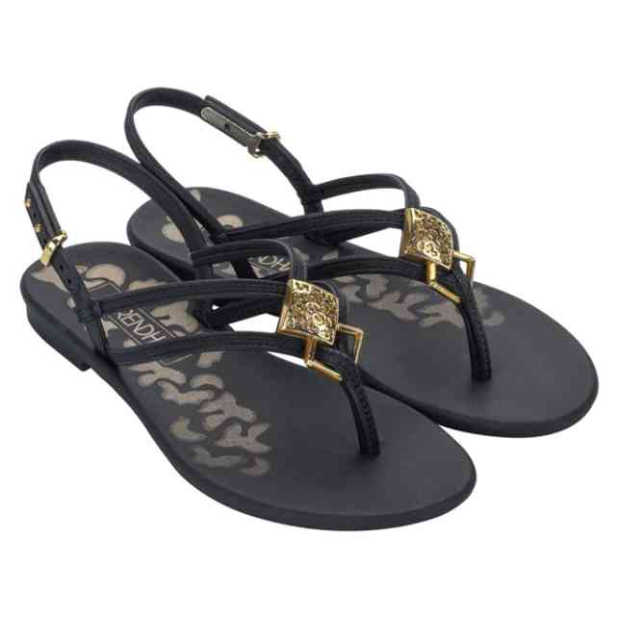 | 19174-BM355 | GRENDHA LIBERDADE SA | 1-2-3-3-2-1 | 60 | 3,746 Ft | 3,184 Ft | 8,990 Ft
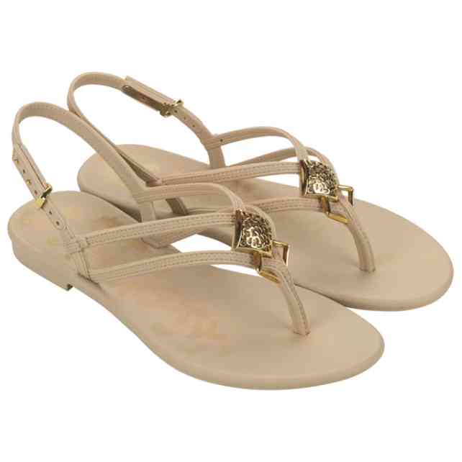 | 19174-BM357 | GRENDHA LIBERDADE SA | 1-2-3-3-2-1 | 36 | 3,746 Ft | 3,184 Ft | 8,990 Ft
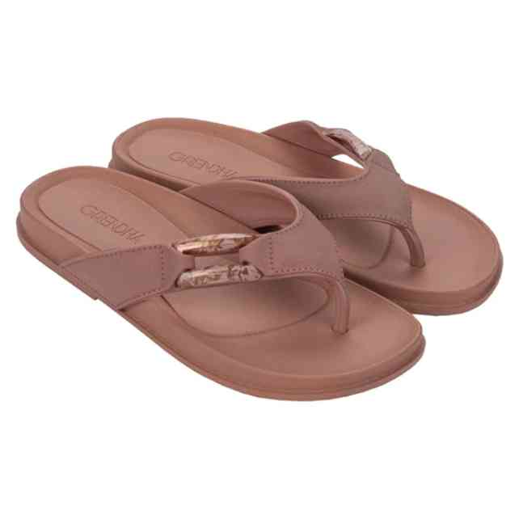 | 19202-BM605 | GRENDHA ESPLENDOR RA | 1-2-3-3-2-1 | 23 | 4,579 Ft | 3,892 Ft | 10,990 Ft
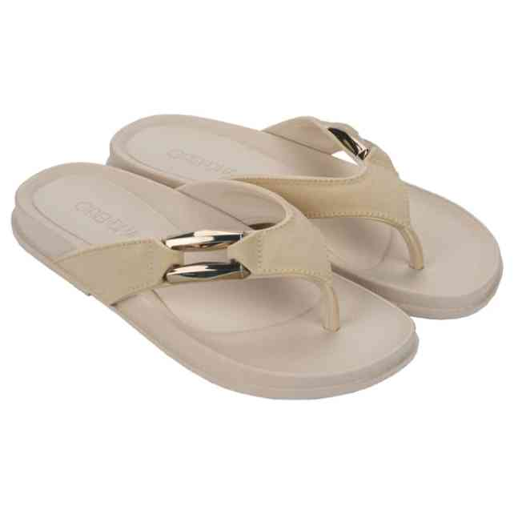 | 19202-BM606 | GRENDHA ESPLENDOR RA | 1-2-3-3-2-1 | 24 | 4,579 Ft | 3,892 Ft | 10,990 Ft
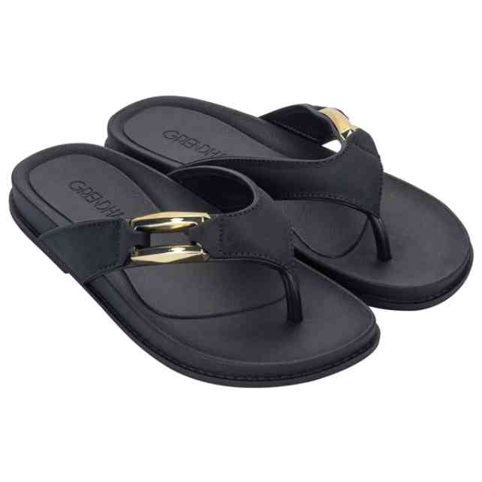 | 19202-BM608 | GRENDHA ESPLENDOR RA | 1-2-3-3-2-1 | 36 | 4,579 Ft | 3,892 Ft | 10,990 Ft
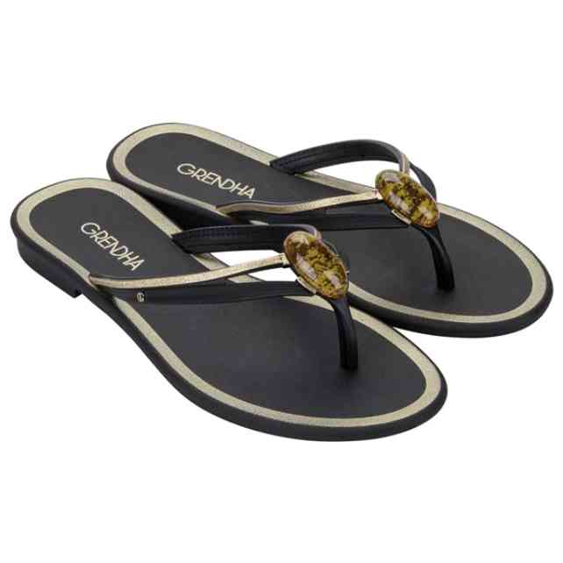 | 19227-BN664 | GRENDHA IRREVERENTE | 1-2-3-3-2-1 | 60 | 3,329 Ft | 2,830 Ft | 7,990 Ft
 | 19227-BN664W | GRENDHA IRREVERENTE | 1-1-1-1-1-1 | 6 | 3,329 Ft | 2,830 Ft | 7,990 Ft
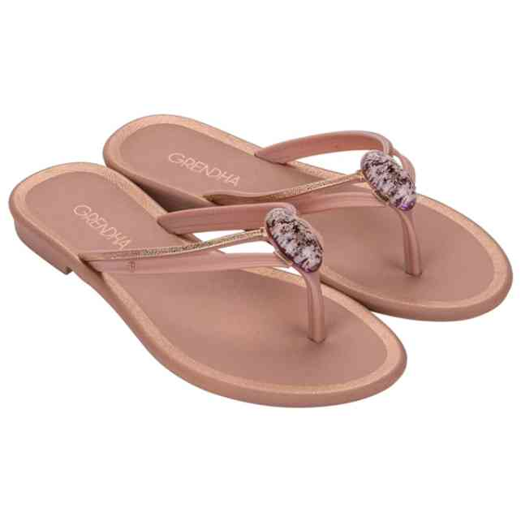 | 19227-BN665 | GRENDHA IRREVERENTE | 1-2-3-3-2-1 | 36 | 3,329 Ft | 2,830 Ft | 7,990 Ft
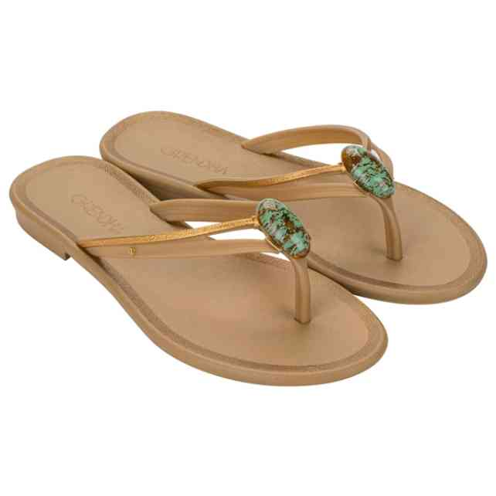 | 19227-BN667 | GRENDHA IRREVERENTE | 1-2-3-3-2-1 | 60 | 3,329 Ft | 2,830 Ft | 7,990 Ft
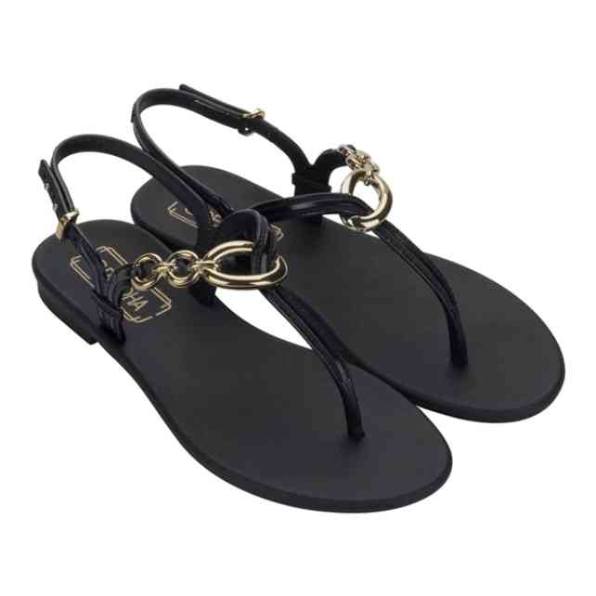 | 19232-BQ025 | GRENDHA ESTILO SAND | 1-2-3-3-2-1 | 12 | 3,746 Ft | 3,184 Ft | 8,990 Ft
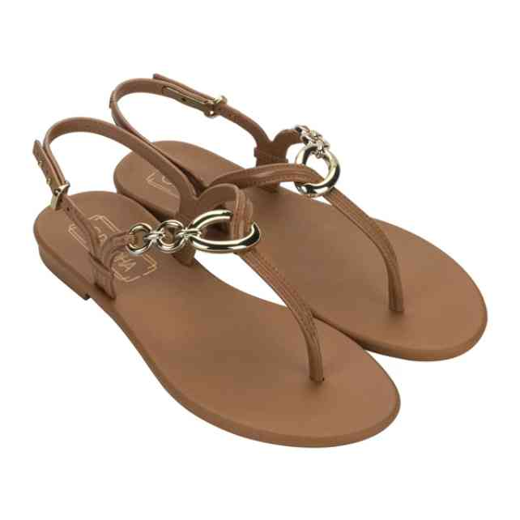 | 19232-BQ028 | GRENDHA ESTILO SAND | 1-2-3-3-2-1 | 24 | 3,746 Ft | 3,184 Ft | 8,990 Ft
 | 19232-BQ028W | GRENDHA ESTILO SAND | 1-1-1-1-1-1 | 6 | 3,746 Ft | 3,184 Ft | 8,990 Ft
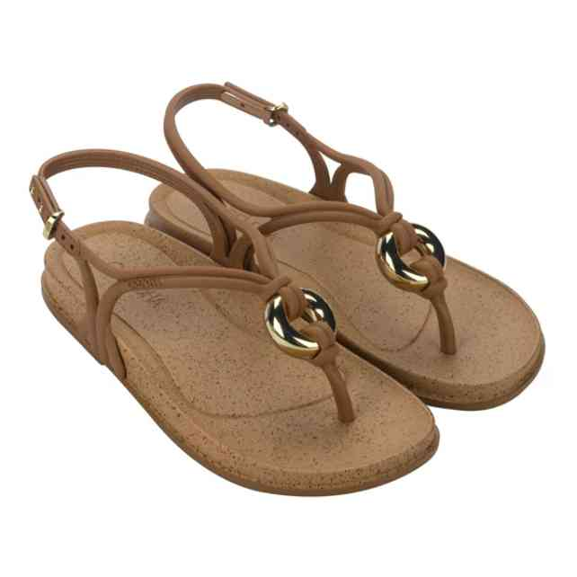 | 19233-BO842 | GRENDHA EXOTICA SAND | 1-2-3-3-2-1 | 24 | 4,996 Ft | 4,247 Ft | 11,990 Ft
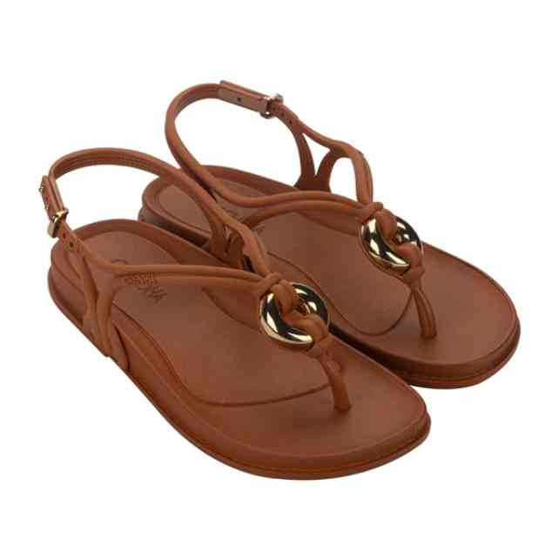 | 19233-BO843 | GRENDHA EXOTICA SAND | 1-2-3-3-2-1 | 24 | 4,996 Ft | 4,247 Ft | 11,990 Ft
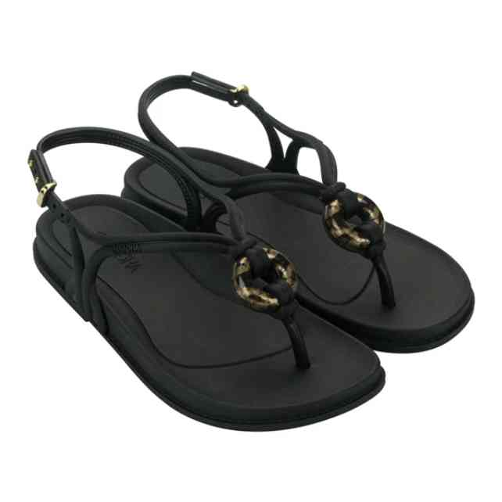 | 19233-BO845 | GRENDHA EXOTICA SAND | 1-2-3-3-2-1 | 24 | 4,996 Ft | 4,247 Ft | 11,990 Ft
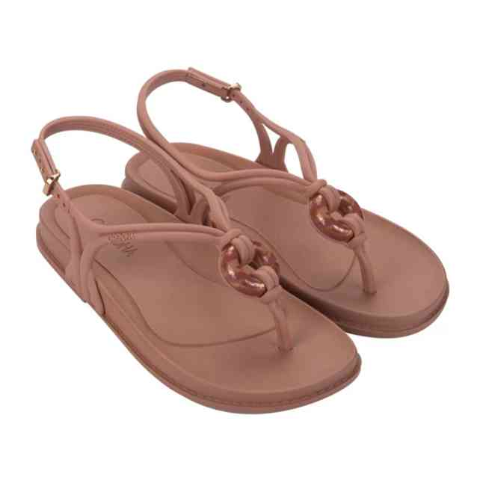 | 19233-BO846 | GRENDHA EXOTICA SAND | 1-2-3-3-2-1 | 24 | 4,996 Ft | 4,247 Ft | 11,990 Ft
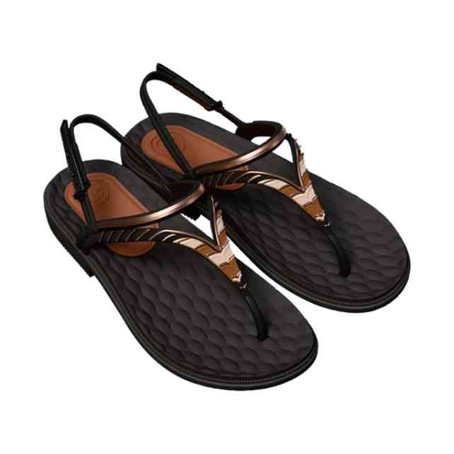 | 19251-BR128 | GRENDHA ENVOLVER SAN | 1-2-3-3-2-1 | 48 | 4,996 Ft | 4,247 Ft | 11,990 Ft
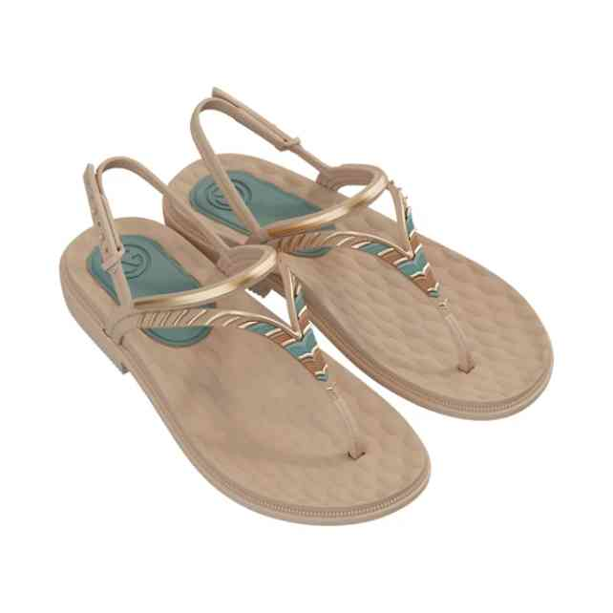 | 19251-BR130 | GRENDHA ENVOLVER SAN | 1-2-3-3-2-1 | 24 | 4,996 Ft | 4,247 Ft | 11,990 Ft
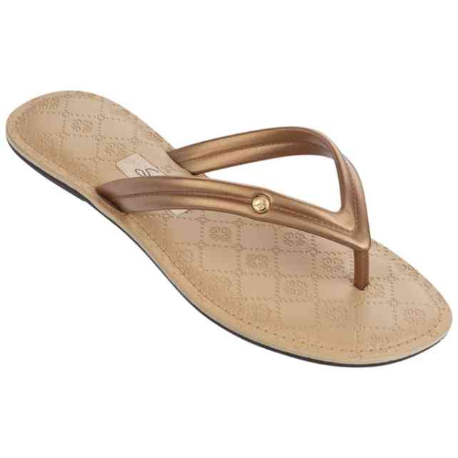 | 82146-24109A | GRENDHA SENSE II THO | 1-2-3-3-2-1 | 12 | 2,079 Ft | 1,767 Ft | 4,990 Ft

